NEW BALANCE
 |  |  |  |  |  |  |  |  |  |  |  |  |  | UNISEX/MALE | 36 | 37 | 37.5 | 38 | 38.5 | 39.5 | 40 | 40.5 | 41.5 | 42 | 42.5 | 43 | 44 | 44.5 | 44.5 | 45 | 45.5 | 46.5 | 47 | 47.5 | 49 | 50
MINIMUM ORDER QUANTITY: 500PCS - RESPECTIONG THE SIZES PROPORTIONS |  |  |  |  |  |  |  |  |  |  |  |  |  | FEMALE |  |  | 35 | 36 | 36.5 | 37 | 37.5 | 38 | 39 | 40 | 40.5 | 41 | 41.5
PHOTOS | PHOTOS | PHOTOS | PHOTOS | SKU | MODEL | COLOR | COLOR DESCRIPTION | SUPPL. DESCRIPTION | COMP. | GENDER | MADE IN | WHS | RRP | QTY | 4 | 4- | 5 | 5- | 6 | 6- | 7 | 7- | 8 | 8- | 9 | 9- | 10 | 10.5 | 10- | 11 | 11- | 12 | 12- | 13 | 14 | 15
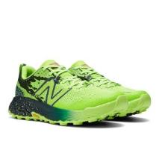 | 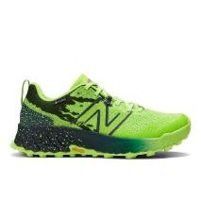 | 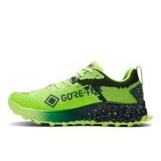 | 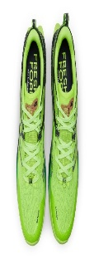 | WTHIERL7PIXEL GREEN | WTHIERL7 | PIXEL GREEN | PIXEL GREEN | SCARPA WOMENS TRAIL FRESH FOAM X HIERRO V7 GTX - PIXEL GREEN | SYNTHETIC TEXTILE | FEMALE | VIETNAM | €90.00 | €180.00 | 190 |  |  |  | 5 | 8 | 12 | 19 | 43 | 54 | 46 | 3
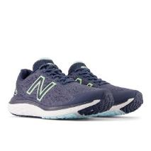 | 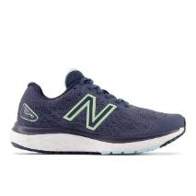 | 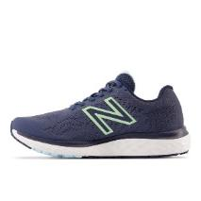 | 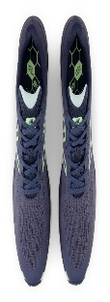 | W680CN7 | W680C | N7 | NAVY | SCARPA WOMENS RUNNING FRESH FOAM 680V7 | SYNTHETIC/TEXTILE | FEMALE | INDONESIA | €55.00 | €110.00 | 6 |  |  |  |  |  |  |  |  |  | 1 | 2 | 2 | 1
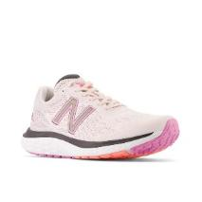 | 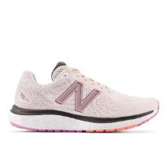 | 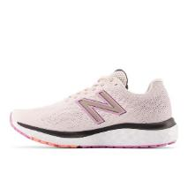 | 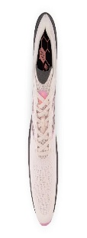 | W680CP7 | W680C | P7 | PINK | SCARPA WOMENS RUNNING FRESH FOAM 680V7 | SYNTHETIC/TEXTILE | FEMALE | INDONESIA | €55.00 | €110.00 | 6 |  |  |  |  |  |  |  |  |  |  | 2 | 2 | 2
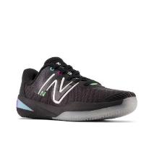 | 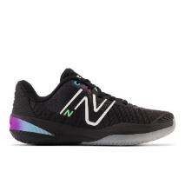 | 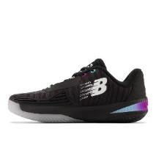 | 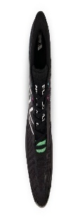 | WCY996F5 | WCY99 | 6F5 | GREEN | SCARPA WOMENS TENNIS 996 | SYNTHETIC TEXTILE | FEMALE | VIETNAM | €67.50 | €135.00 | 4 |  |  |  |  |  |  |  |  | 1 | 2 |  | 1
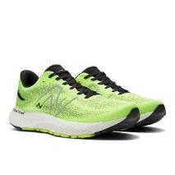 | 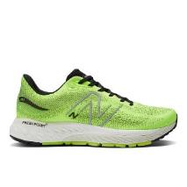 | 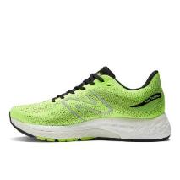 | 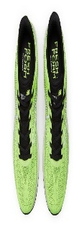 | M880N12PIXEL GREEN | M880N12 | PIXEL GREEN | PIXEL GREEN | FOOTWEAR | SYNTHETIC TEXTILE | MALE | VIETNAM | €80.00 | €160.00 | 220 |  |  |  |  |  |  | 12 | 12 | 13 |  | 30 | 8 | 41 |  | 29 | 29 | 22 | 13 | 8 | 3
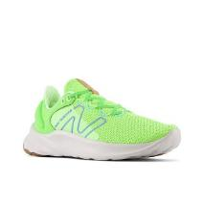 | 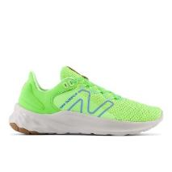 | 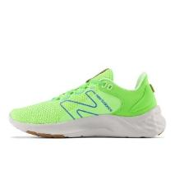 |  | MROAVRN2BLACK/BLEACHED LIME GLO | MROAVRN2 | BLACK/BLEACHED LIME GLO | BLACK/BLEACHED LIME GLO | SCARPA MENS RUNNING FRESH FOAM ROAV V2 - BLACK/BLEACHED LIME GLO | SYNTHETIC TEXTILE | MALE | VIETNAM | €50.00 | €100.00 | 172 |  |  |  |  |  |  | 6 |  |  |  | 12 | 21 | 25 |  | 8 | 8 | 16 | 16 |  | 20 | 20 | 20
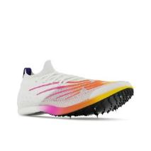 | 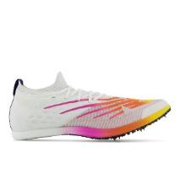 | 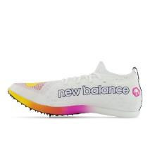 | 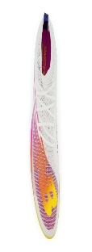 | UMDELRE2ORANGE | UMDELRE2 | ORANGE | ORANGE | SCARPA MENS RUNNING FUELCELL SUPERCOMP MD-X V2 - ORANGE | SYNTHETIC TEXTILE | MALE | VIETNAM | €110.00 | €220.00 | 182 |  |  |  |  |  |  | 14 | 18 | 15 | 15 | 21 | 50 | 22 |  | 13 | 9 | 5
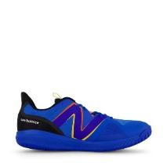 | 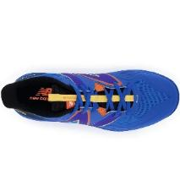 | 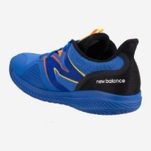 | 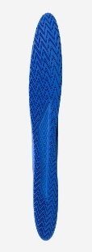 | MCH796P3BLUE | MCH796P3 | BLUE | BLUE | SCARPA MENS TENNIS PADEL 796V3 - BLUE | 100% HYPOKNIT | MALE | VIETNAM | €47.50 | €95.00 | 38 |  |  |  |  |  |  |  | 2 |  |  | 4 |  | 8 |  | 7 | 4 | 10 | 1 |  | 2
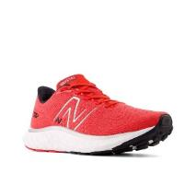 | 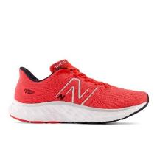 | 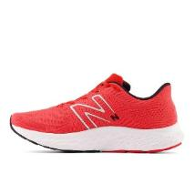 | 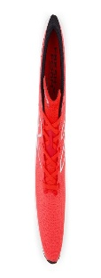 | MEVOZRR3 | MEVOZ | RR3 | TRUE RED | SCARPA MENS FRESH FOAM X 1080 V13 | SYNTHETIC TEXTILE | MALE | VIETNAM | €65.00 | €130.00 | 168 |  |  |  |  |  |  | 5 |  | 17 | 23 | 33 | 29 | 35 |  | 26
 |  |  |  | UMDERLRE2TEAM ELITE D | UMDERLRE2 | TEAM ELITE D | TEAM ELITE D | SCARPA MENS RUNNING FUELCELL SUPERCOMP MD | SYNTHETIC TEXTILE | MALE | VIETNAM | €110.00 | €220.00 | 50 |  |  |  |  |  |  |  |  | 6 | 6 | 16 | 12 | 7 |  | 3
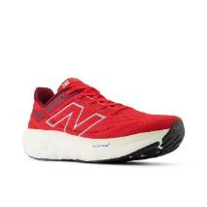 | 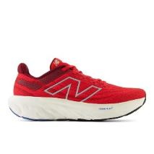 | 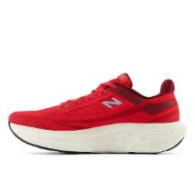 | 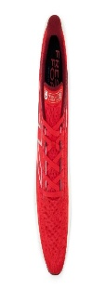 | M1080Z13 | M1080 | Z13 | TRUE RED | SCARPA MENS FRESH FOAM X 1080 V13 | TEXTILE/TEXTILE/OTHER | MALE | VIETNAM | €95.00 | €190.00 | 50 |  |  |  |  |  |  | 4 | 21 | 4 | 18 |  |  | 3
 |  |  |  | MMORWT4WHITE | MMORWT4 | WHITE | WHITE | SCARPA MENS RUNNING FRESH FOAM X MORE V4 - WHITE | 100% HYPOKNIT | MALE | VIETNAM | €80.00 | €160.00 | 140 |  |  |  |  |  |  |  |  |  | 13 | 44 | 79 |  |  |  |  |  |  | 3 | 1
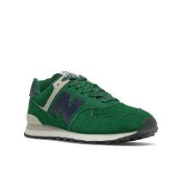 | 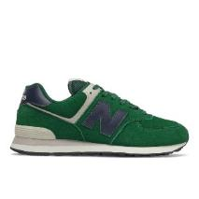 | 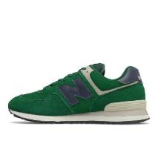 | 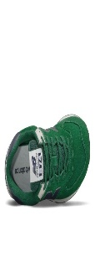 | ML574PQ2NIGHTWATCH GREEN | ML574PQ2 | NIGHTWATCH GREEN | NIGHTWATCH GREEN | SCARPA LIFESTYLE UOMO FULL SUEDE - NIGHTWATCH GREEN | SUEDE | MALE | VIETNAM | €47.50 | €100.00 | 150 |  |  |  |  |  |  |  |  |  |  |  | 150
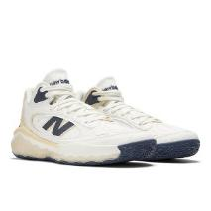 | 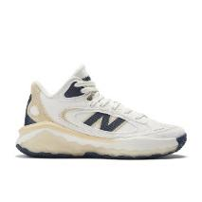 | 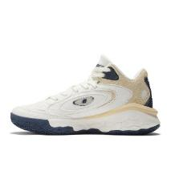 | 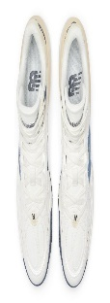 | BBFRSHV1OFF WHITE | BBFRSHV1 | OFF WHITE | OFF WHITE | SCARPA BASKET UNISEX | SYNTHETIC/LEATHER/MESH | UNISEX | VIETNAM | €70.00 | €140.00 | 34 |  |  |  |  |  |  |  |  |  |  |  |  |  |  | 6 | 14 | 7 | 7
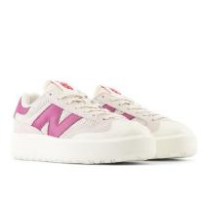 | 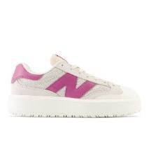 | 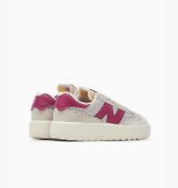 |  | CT302RP | CT302 | RP | MOONBEAM | SCARPA LIFESTYLE | LEATHER/TEXTILE | UNISEX | CHINA | €65.00 | €130.00 | 40 | 7 | 14 | 17 |  |  |  | 2
 |  |  |  | CT302RS | CT302 | RS | SEA SALT | SCARPA LIFESTYLE | LEATHER/TEXTILE | UNISEX | CHINA | €65.00 | €130.00 | 58 | 9 | 18 | 17 | 14
 |  |  |  |  |  |  |  |  |  |  |  |  |  | 1508

